Sheet1
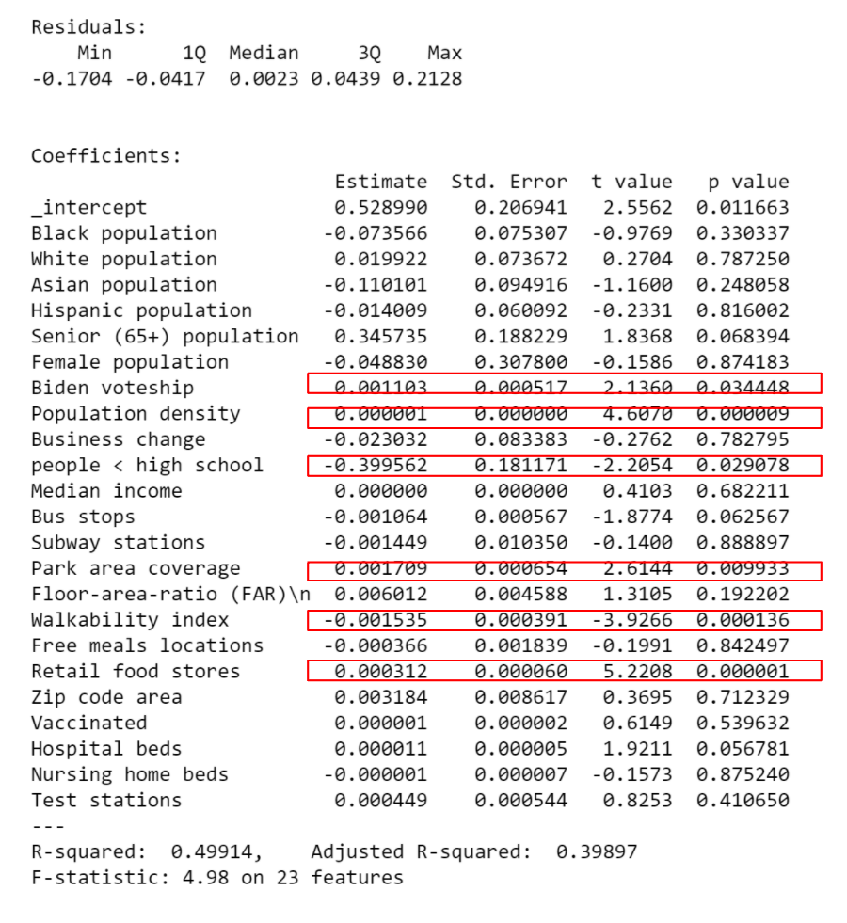

 | Coefficients | p value
Percentage of Black Population | -0.073566 | 0.330337
Percentage of Hispanic Population | -0.014009 | 0.816002
Percentage of Senior (65+) Population | 0.345735 | 0.068394
Percentage of Biden Votership | 0.001103 | 0.034448
Population Density | 0.000001 | 0.000009
Percentage of Business Change | -0.023032 | 0.782795
Median Household Income (1000 USD) | 0.000000 | 0.682211
Number of Subway Stations Per Sqmi | -0.001449 | 0.888897
Percentage of Park Land Use Coverage | 0.001709 | 0.009933
Floor Area Ratio (FAR) | 0.006012 | 0.192202
Per Capita Free Meal Locations | -0.000366 | 0.842497
Per Capita Retail Food Stores | 0.000312 | 0.000001
Per Capita Test Stations | 0.000449 | 0.41065

R-Squared | 0.49914
Adjusted R-Squared | 0.39897

